VR01 Node 148
Turners Falls Reservoir: |  |  | 175.6 | 176.6 | 177.6 | 178.6 | 179.6 | 180.6 | 181.6 | 182.6 | 183.6 | 184.6 | elevation (ft NAVD88)

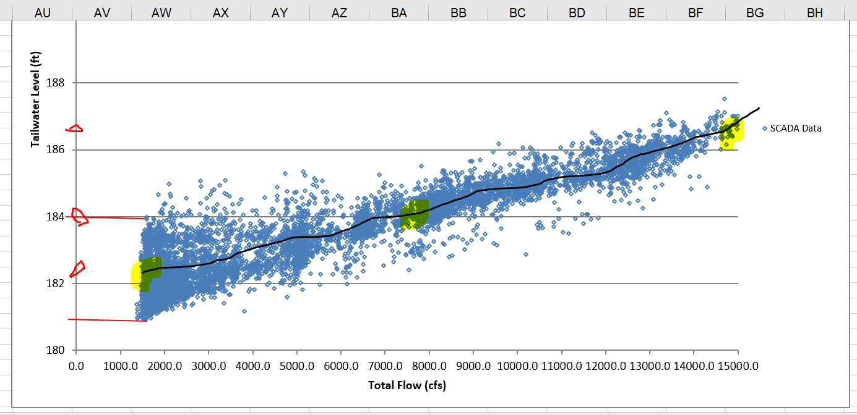
River Station | Node | Flow (cfs) | WSEL (ft) | WSEL (ft) | WSEL (ft) | WSEL (ft) | WSEL (ft) | WSEL (ft) | WSEL (ft) | WSEL (ft) | WSEL (ft) | WSEL (ft) |  | From the chart of actual range of tailwater conditions observed under a range of Vernon discharges - we should Consider 1200, 8000 and 15,000 for low-average and max flow and middle range on chart below.
19.925 | 148 | 1200 | 179 | 179 | 179 | 179.3 | 179.9 | 180.8 | 181.7 | 182.7 | 183.6 | 184.6
19.925 | 148 | 2000 | 179.7 | 179.7 | 179.8 | 180 | 180.4 | 181 | 181.9 | 182.8 | 183.7 | 184.7
19.925 | 148 | 3000 | 180.6 | 180.6 | 180.6 | 180.7 | 181 | 181.5 | 182.1 | 182.9 | 183.8 | 184.8
19.925 | 148 | 4000 | 181.2 | 181.3 | 181.3 | 181.4 | 181.5 | 181.9 | 182.5 | 183.2 | 184 | 184.9
19.925 | 148 | 5000 | 181.8 | 181.8 | 181.8 | 181.9 | 182 | 182.3 | 182.8 | 183.4 | 184.2 | 185
19.925 | 148 | 6000 | 182.3 | 182.3 | 182.3 | 182.4 | 182.5 | 182.8 | 183.2 | 183.7 | 184.4 | 185.2
19.925 | 148 | 7000 | 182.7 | 182.7 | 182.8 | 182.8 | 182.9 | 183.2 | 183.5 | 184 | 184.7 | 185.4
19.925 | 148 | 8000 | 183.1 | 183.1 | 183.2 | 183.2 | 183.4 | 183.6 | 183.9 | 184.3 | 184.9 | 185.6
19.925 | 148 | 9000 | 183.5 | 183.5 | 183.6 | 183.6 | 183.7 | 183.9 | 184.2 | 184.7 | 185.2 | 185.9
19.925 | 148 | 10000 | 183.9 | 183.9 | 183.9 | 184 | 184.1 | 184.3 | 184.6 | 185 | 185.5 | 186.1
19.925 | 148 | 11000 | 184.2 | 184.3 | 184.3 | 184.4 | 184.5 | 184.6 | 184.9 | 185.3 | 185.8 | 186.3
19.925 | 148 | 12000 | 184.6 | 184.6 | 184.6 | 184.7 | 184.8 | 185 | 185.2 | 185.6 | 186 | 186.6
19.925 | 148 | 13000 | 184.9 | 185 | 185 | 185.1 | 185.2 | 185.3 | 185.6 | 185.9 | 186.3 | 186.8
19.925 | 148 | 14000 | 185.3 | 185.3 | 185.3 | 185.4 | 185.5 | 185.7 | 185.9 | 186.2 | 186.6 | 187.1
19.925 | 148 | 15000 | 185.6 | 185.6 | 185.7 | 185.7 | 185.9 | 186 | 186.2 | 186.5 | 186.9 | 187.3
19.925 | 148 | 16000 | 185.9 | 186 | 186 | 186.1 | 186.2 | 186.3 | 186.5 | 186.8 | 187.2 | 187.6
19.925 | 148 | 17000 | 186.2 | 186.3 | 186.3 | 186.4 | 186.5 | 186.6 | 186.8 | 187.1 | 187.4 | 187.9
19.925 | 148 | 18000 | 186.6 | 186.6 | 186.6 | 186.7 | 186.8 | 187 | 187.1 | 187.4 | 187.7 | 188.1
19.925 | 148 | 19000 | 186.9 | 186.9 | 187 | 187 | 187.1 | 187.3 | 187.4 | 187.7 | 188 | 188.4
19.925 | 148 | 20000 | 187.2 | 187.2 | 187.3 | 187.3 | 187.4 | 187.6 | 187.7 | 188 | 188.3 | 188.6
19.925 | 148 | 21000 | 187.5 | 187.5 | 187.6 | 187.6 | 187.7 | 187.9 | 188 | 188.2 | 188.5 | 188.9
19.925 | 148 | 22000 | 187.8 | 187.8 | 187.9 | 187.9 | 188 | 188.1 | 188.3 | 188.5 | 188.8 | 189.1
19.925 | 148 | 23000 | 188.1 | 188.1 | 188.2 | 188.2 | 188.3 | 188.4 | 188.6 | 188.8 | 189.1 | 189.4
19.925 | 148 | 24000 | 188.4 | 188.4 | 188.4 | 188.5 | 188.6 | 188.7 | 188.9 | 189.1 | 189.3 | 189.6
19.925 | 148 | 25000 | 188.6 | 188.7 | 188.7 | 188.8 | 188.9 | 189 | 189.1 | 189.3 | 189.6 | 189.9

